April 2025
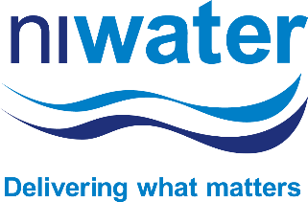
Tenders Awarded

April 2025

Tender No | Tender Name | Term (Years) | Award Value (£) | Supplier(s)
C1253 | Leakage Detection Support Services (Area 3 - South 1 & 2) | 2+1 | £2m

Tender No | Tender Name | Term (Years) | Award Value (£) | Supplier(s)
C909-43 | Category 1 General Bulk Chemicals (Supply and Delivery) | 2+2+2+1 | £30m

Tender No | Tender Name | Term (Years) | Award Value (£) | Supplier(s)
C909-43A | Supply and Delivery of Liquid Chlorine | 4+2+2 | £10m

Tender No | Tender Name | Term (Years) | Award Value (£) | Supplier(s)
C909-44 | Category 2 – Odour Control Chemicals (Supply and Delivery) | 2+2+2+1 | £0.8m

Tender No | Tender Name | Term (Years) | Award Value (£) | Supplier(s)
C909-45 | Category 3 Coagulant Chemicals (Supply and Delivery) | 2+2+1 | £46m

Tender No | Tender Name | Term (Years) | Award Value (£) | Supplier(s)
C1264 | Security and Ancillary Services | 3+2+1 | £6m

Tender No | Tender Name | Term (Years) | Award Value (£) | Supplier(s)
C1215 | Supply and Delivery of Laboratory Equipment | Lots 1,4,5,6,7,8 - 4+1+1+1 Lot 2 - 1+1+1 Lot 3 - 7 x 1 | £0.5m

Tender No | Tender Name | Term (Years) | Award Value (£) | Supplier(s)
C1266 | OCIP Renewal Report 2025-2026 | 1 | £1m

Tender No | Tender Name | Term (Years) | Award Value (£) | Supplier(s)
C1258 | Insurance Programme 2025 to 2026 | 1 | £3.2m

Direct Award Contracts
No Direct Award Contracts this month

